Budget & Proforma
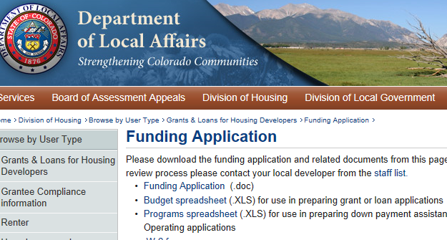
Development Analysis & Proforma

The City of Colorado Springs requires applicant's to complete the budget spreadsheet created by the State of Colorado - Colorado Division of Housing. Please click on the link below.

https://www.colorado.gov/pacific/dola/funding-application

Applicants, in the State's budget spreadsheet, please complete the following tabs:

 | DevCosts
 | OpPro
 | Financing

