Budget & Proforma
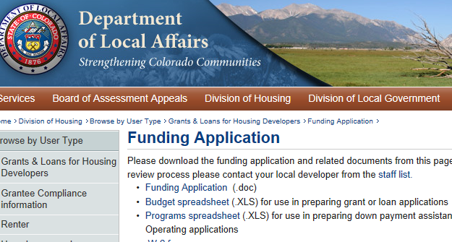
Development Analysis & Proforma

The City of Colorado Springs requires applicant's to complete the budget spreadsheet created by the State of Colorado - Colorado Division of Housing. Please click on the link below.

http://www.colorado.gov/cs/Satellite?c=Page&childpagename=DOLA-Main%2FCBONLayout&cid=1251594660958&pagename=CBONWrapper

Applicants, in the State's budget spreadsheet, please complete the applicable tabs as stated below:

 | All Applicants | New Construction | Acquisition/Rehabilitation
 | DevCosts | Assessment, NC | Assessment, Rehab
 | OpPro
 | Financing
 | Sources & Uses

